contract
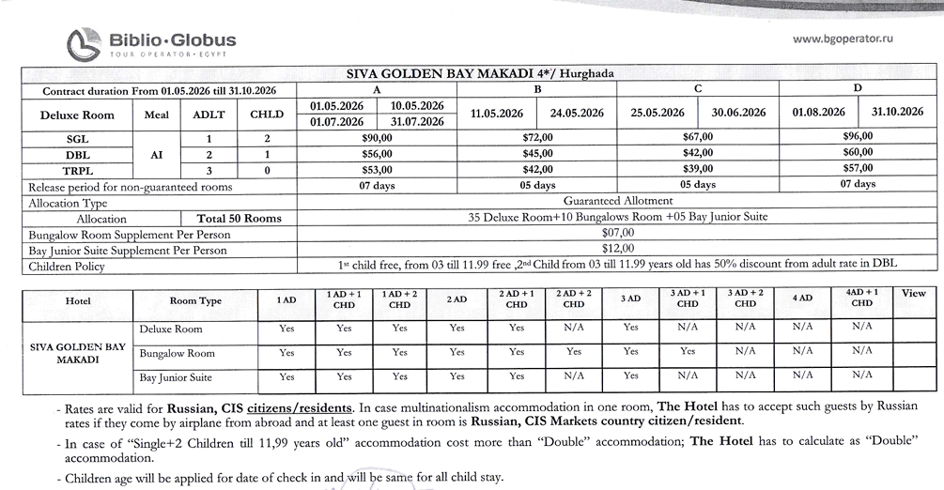
first date | second date | SGL-DEX | d | tpl | DBL-DEX | TPL-DEX | SGL-BUNG | DBL-BUNG | TPL-BUNG | DBL-BUNG(CH) | SGL-CH | SGL-J SUIT BAY | DBL-J SUIT BAY | SGL-BUNG (CH) | TPL-J SUIT BAY | SGL-DEX(CH)
2026-04-01 | 2026-04-10 | 88 |  |  | 110 | 156 | 95 | 124 | 177 | 155 |  | 134 | 134 | 126 | 192 | 115.5
2026-04-11 | 2026-04-30 | 75 |  |  | 94 | 132 | 82 | 108 | 153 | 135 |  | 118 | 118 | 109 | 168 | 98.5
2026-05-01 | 2026-05-10 | 90 | 56 | 53 | 112 | 159 | 97 | 126 | 180 | 157.5 |  | 136 | 136 | 128.5 | 195 | 118
2026-05-11 | 2026-05-24 | 72 | 45 | 42 | 90 | 126 | 79 | 104 | 147 | 130 |  | 114 | 114 | 105 | 162 | 94.5
2026-05-25 | 2026-06-30 | 67 | 42 | 39 | 84 | 117 | 74 | 98 | 138 | 122.5 |  | 108 | 108 | 98.5 | 153 | 88
2026-07-01 | 2026-07-31 | 90 | 56 | 53 | 112 | 159 | 97 | 126 | 180 | 157.5 |  | 136 | 136 | 128.5 | 195 | 118
2026-08-01 | 2026-10-31 | 96 | 60 | 57 | 120 | 171 | 103 | 134 | 192 | 167.5 |  | 144 | 144 | 136.5 | 207 | 126
 |  |  |  |  |  | 0 | 7 | 14 | 21 | 17.5 |  | 24 | 24 | 10.5 | 36 | 0
 |  |  |  |  |  | 0 | 7 | 14 | 21 | 17.5 |  | 24 | 24 | 10.5 | 36 | 0

S.P.O from 15.04 to 29.04
first date | second date | SGL-DEX | d | tpl | DBL-DEX | TPL-DEX | SGL-BUNG | DBL-BUNG | TPL-BUNG | DBL-BUNG(CH) | SGL-CH | SGL-J SUIT BAY | DBL-J SUIT BAY | SGL-BUNG (CH) | TPL-J SUIT BAY | SGL-DEX(CH)
2026-04-15 | 2026-04-30 | 75 |  |  | 94 | 132 | 82 | 108 | 153 | 135 |  | 118 | 118 | 109 | 168 | 98.5
2026-05-01 | 2026-05-10 | 64 | 40 | 37 | 80 | 111 | 71 | 94 | 132 | 117.5 |  | 104 | 104 | 94.5 | 147 | 84
2026-05-11 | 2026-05-24 | 56 | 35 | 32 | 70 | 96 | 63 | 84 | 117 | 105 |  | 94 | 94 | 84 | 132 | 73.5
2026-05-25 | 2026-06-30 | 67 | 42 | 39 | 84 | 117 | 74 | 98 | 138 | 122.5 |  | 108 | 108 | 98.5 | 153 | 88
2026-07-01 | 2026-07-31 | 90 | 56 | 53 | 112 | 159 | 97 | 126 | 180 | 157.5 |  | 136 | 136 | 128.5 | 195 | 118
2026-08-01 | 2026-10-31 | 96 | 60 | 57 | 120 | 171 | 103 | 134 | 192 | 167.5 |  | 144 | 144 | 136.5 | 207 | 126
 |  |  |  |  |  | 0 | 7 | 14 | 21 | 17.5 |  | 24 | 24 | 10.5 | 36 | 0
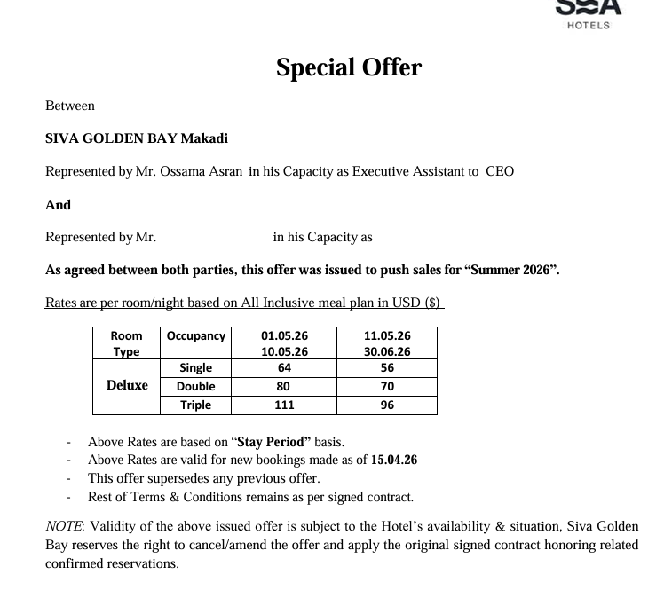
 |  |  |  |  |  | 0 | 7 | 14 | 21 | 17.5 |  | 24 | 24 | 10.5 | 36 | 0

S.P.O from 30.04 to 24.05
first date | second date | SGL-DEX | d | tpl | DBL-DEX | TPL-DEX | SGL-BUNG | DBL-BUNG | TPL-BUNG | DBL-BUNG(CH) | SGL-CH | SGL-J SUIT BAY | DBL-J SUIT BAY | SGL-BUNG (CH) | TPL-J SUIT BAY | SGL-DEX(CH)
2026-04-30 | 2026-04-30 | 75 |  |  | 94 | 132 | 82 | 108 | 153 | 135 |  | 118 | 118 | 109 | 168 | 98.5
2026-05-01 | 2026-05-10 | 72 | 45 | 42 | 90 | 126 | 79 | 104 | 147 | 130 |  | 114 | 114 | 105 | 162 | 94.5
2026-05-11 | 2026-05-24 | 64 | 40 | 37 | 80 | 111 | 71 | 94 | 132 | 117.5 |  | 104 | 104 | 94.5 | 147 | 84
2026-05-25 | 2026-06-30 | 67 | 42 | 39 | 84 | 117 | 74 | 98 | 138 | 122.5 |  | 108 | 108 | 98.5 | 153 | 88
2026-07-01 | 2026-07-31 | 90 | 56 | 53 | 112 | 159 | 97 | 126 | 180 | 157.5 |  | 136 | 136 | 128.5 | 195 | 118
2026-08-01 | 2026-10-31 | 96 | 60 | 57 | 120 | 171 | 103 | 134 | 192 | 167.5 |  | 144 | 144 | 136.5 | 207 | 126
 |  |  |  |  |  | 0 | 7 | 14 | 21 | 17.5 |  | 24 | 24 | 10.5 | 36 | 0
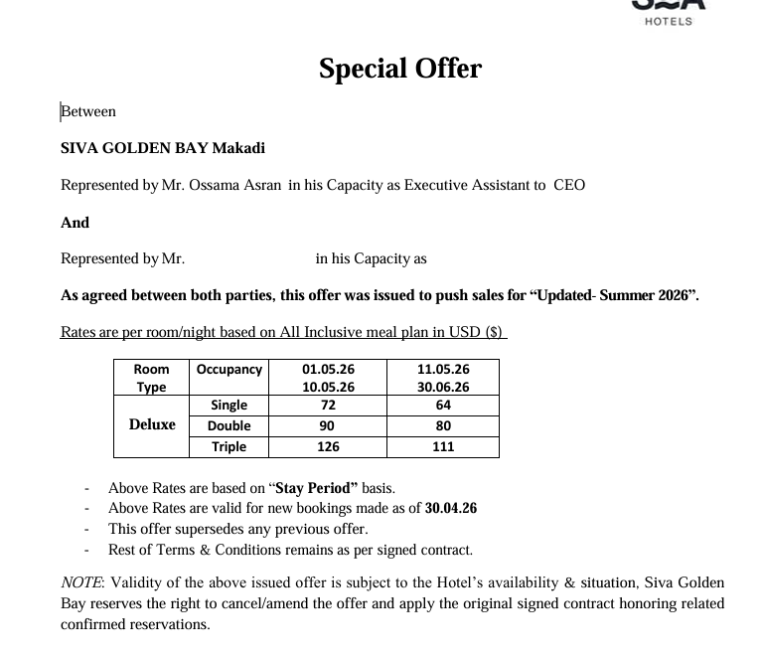
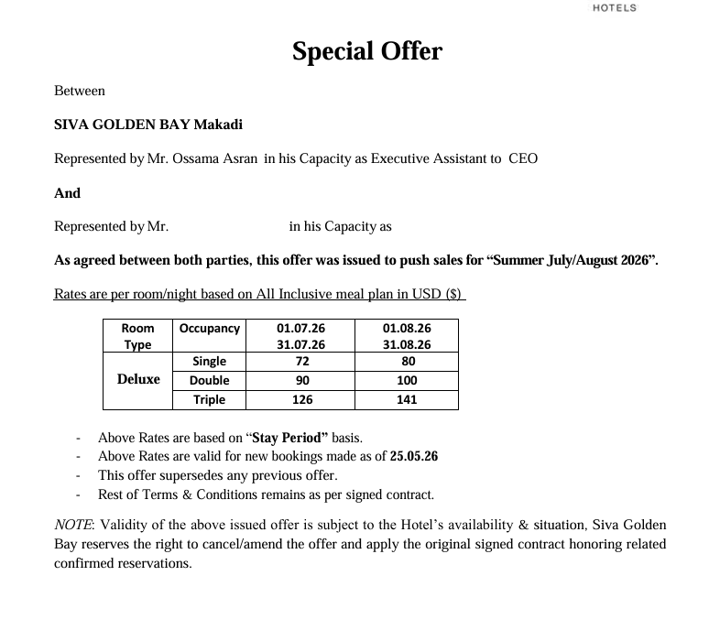
 |  |  |  |  |  | 0 | 7 | 14 | 21 | 17.5 |  | 24 | 24 | 10.5 | 36 | 0

